Main
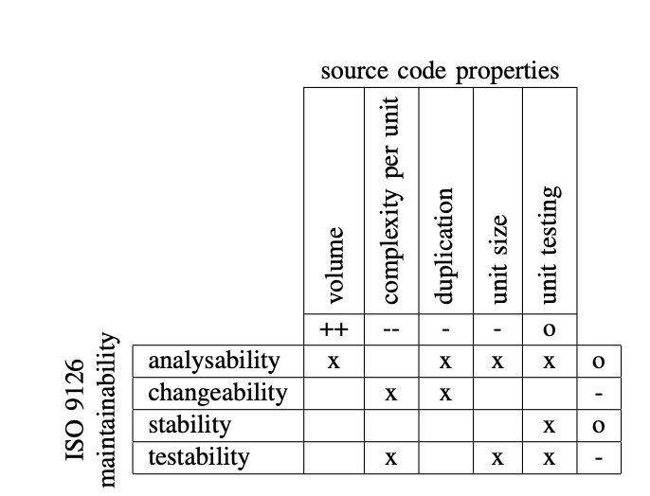
Lines of code | 5
Cyclomatic Complexity | 5
Duplicates | 5
Unit size | 0

 | Volume | Complexity per unit | duplication | unit size | Unit testing | Gemiddelde

Analysability | 5 |  | 5 | 0 |  | 3.3333333333
Changeability |  | 5 | 5 |  |  | 5
Stability |  |  |  |  | 0 | 0
Testability |  | 5 |  | 0 |  | 2.5
Gemiddelde |  |  |  |  |  | 2.7083333333

lines of code
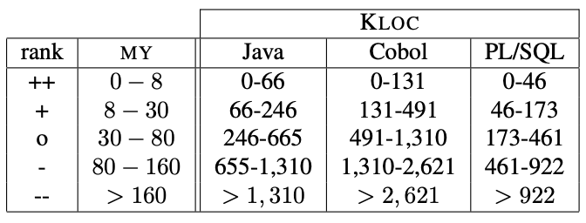
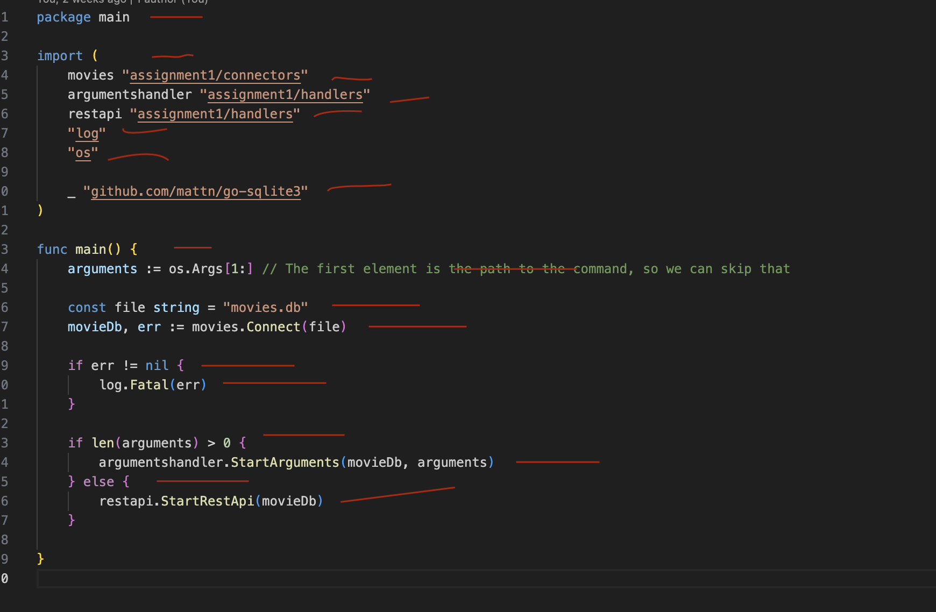
Assumptions:
Each line with actual text on it, no ({}) only counts as a line of code

File:
main.go | 18
Structs:
functionArguments.go | 4
movies.go | 15
omdbApi.go | 33
handlers:
argumentsHandler.go | 52
restapi.go | 47
connectors:
movies.go | 93
omdbApi.go | 29
Total | 291

Cyclomatic complexity
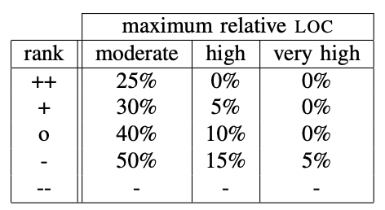
Assumptions:
function start: 1 Control flow statement: + 1 Nested function: +1

File: | Risk evaluation | Lines of code
main.go
Main() | 4 | 10
Structs: |  | 0
functionArguments.go |  | 0
movies.go |  | 0
PrintInfo() | 1 | 5
omdbApi.go |  | 0
handlers: |  | 0
argumentsHandler.go |  | 0
StartArguments() | 10 | 41
checkError() | 2 | 3
restapi.go |  | 1
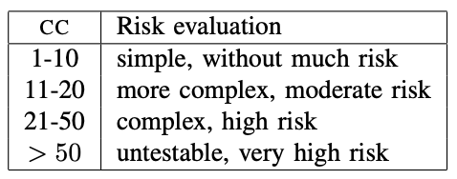
StartRestApi() | 11 | 41
connectors: |  | 0
movies.go |  | 0
Connect() | 2 | 5
AllTitles() | 4 | 13
AllIds() | 4 | 13
All() | 5 | 16
Count() | 2 | 7
FindOne() | 2 | 7
Insert() | 3 | 8
UpdateSummary() | 3 | 8
Delete() | 3 | 9
omdbApi.go |  | 0
Get() | 3 | 13
Worker() | 3 | 8
non-funcitons: | N/A | 83

simple: | 61 | 250
more complex: | 1 | 41 | (moderate)
Total lines of code |  | 291

Moderate precentage: |  | 14.089347079

Duplicates
Assumptions:
Copy-pasting 6 lines until a duplicate is found

File: | Amount of duplication | Lines of code duplicated
main.go | 0 | 0
Structs:
functionArguments.go | 0 | 0
movies.go | 0 | 0
omdbApi.go | 0 | 0
handlers:
argumentsHandler.go | 0 | 0
restapi.go | 0 | 0
connectors:
movies.go | 1 | 6
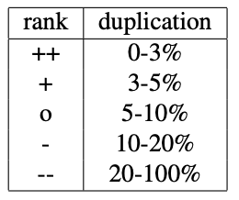
omdbApi.go | 0 | 0
Total | 1 | 6
Total lines of code | 291 | 291
Duplication precentage |  | 2.0618556701
 |  | ++

